One Hidden Layear
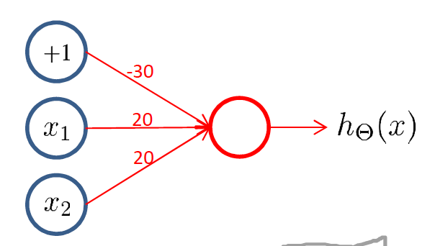
input leayer #1 |  | hidden leayer #2 |  |  | output leayer #3
input |  | matrix of weights |  | activation | output
x |  |  |  | hΘ(x) | y
x1 | x2 | Θ(j) | z(2)j | a(2)j
0 | 0 | 30 | 30 | 1
1 | 0 | -20 | 10 | 1
1 | 1 | -20 | -10 | 0
0 | 1 |  | 10 | 1

